1
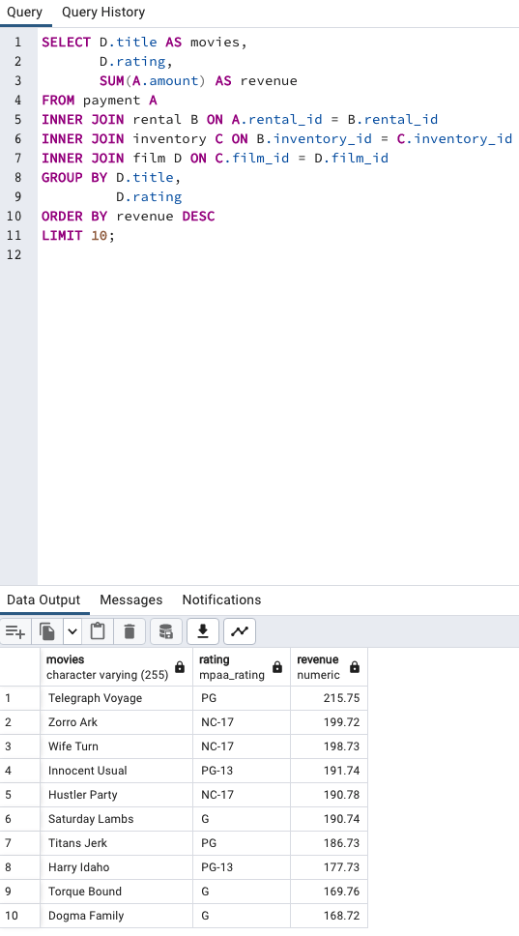
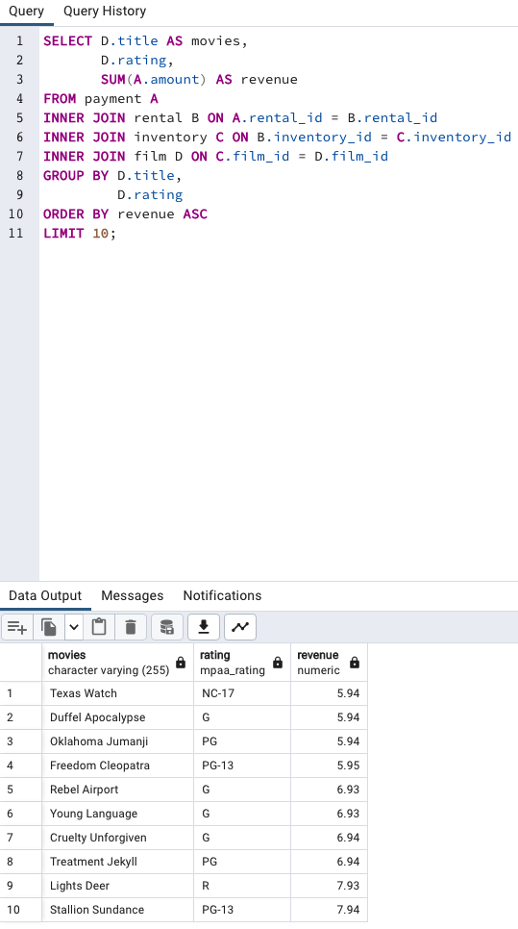
1. Which movies contributed the most/least to revenue gain?

Most Revenue | Least Revenue

2

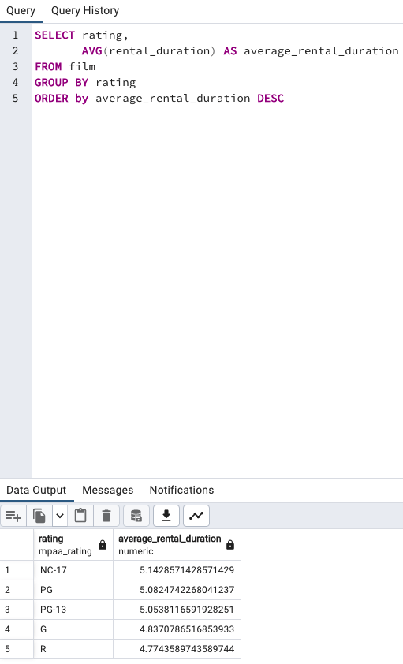
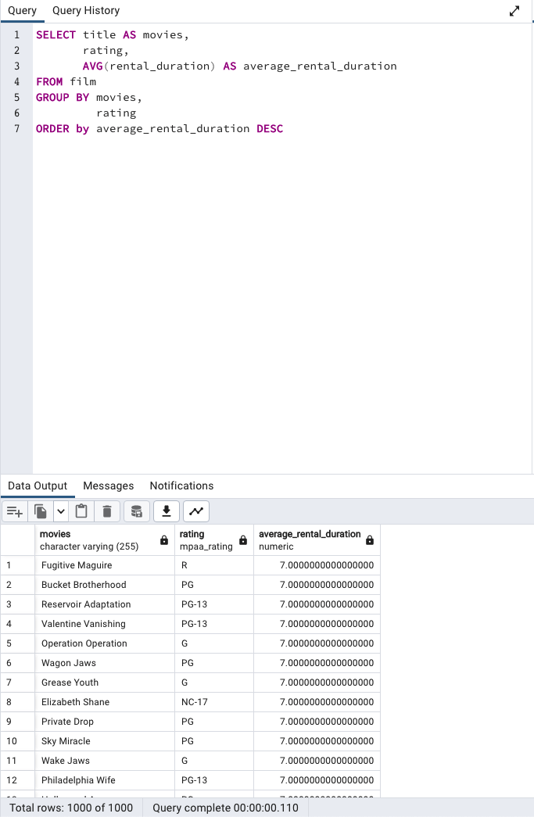

2. What was the average rental duration for all videos?

Rental Duration | Rating | Number of Movies

3
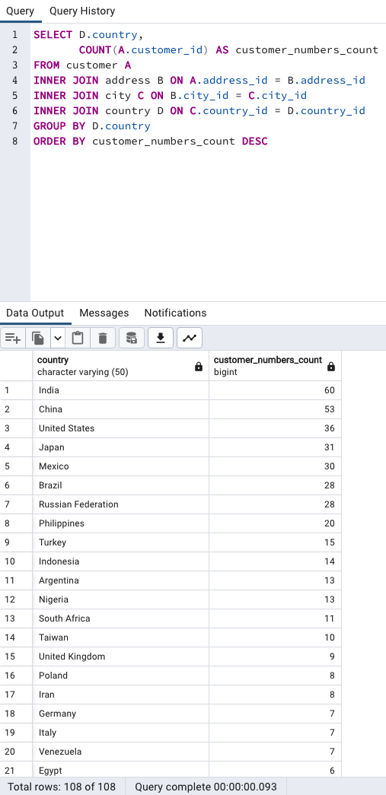
3. Which countries are Rockbuster customers based in?

Customers Based

4
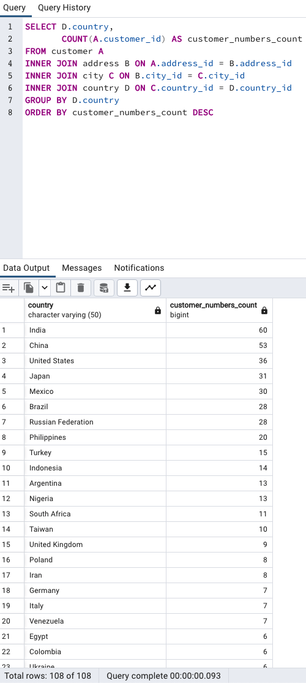
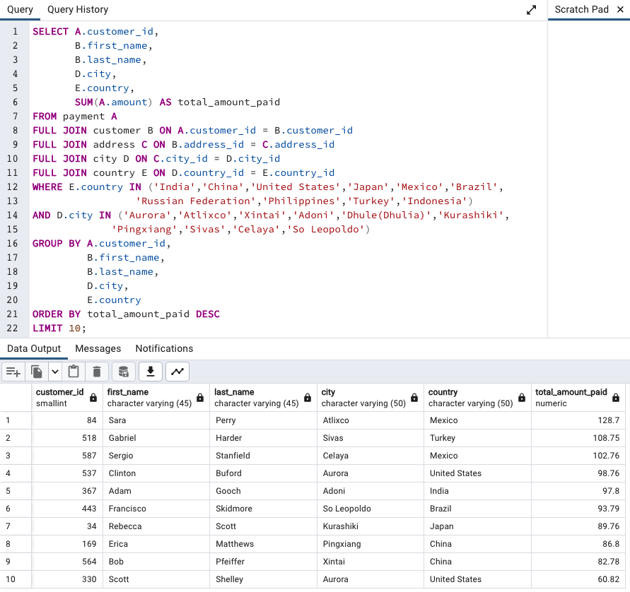
4. Where are customers with a high lifetime value based?

High Lifetime Value by Country | High Lifetime Value by City

5
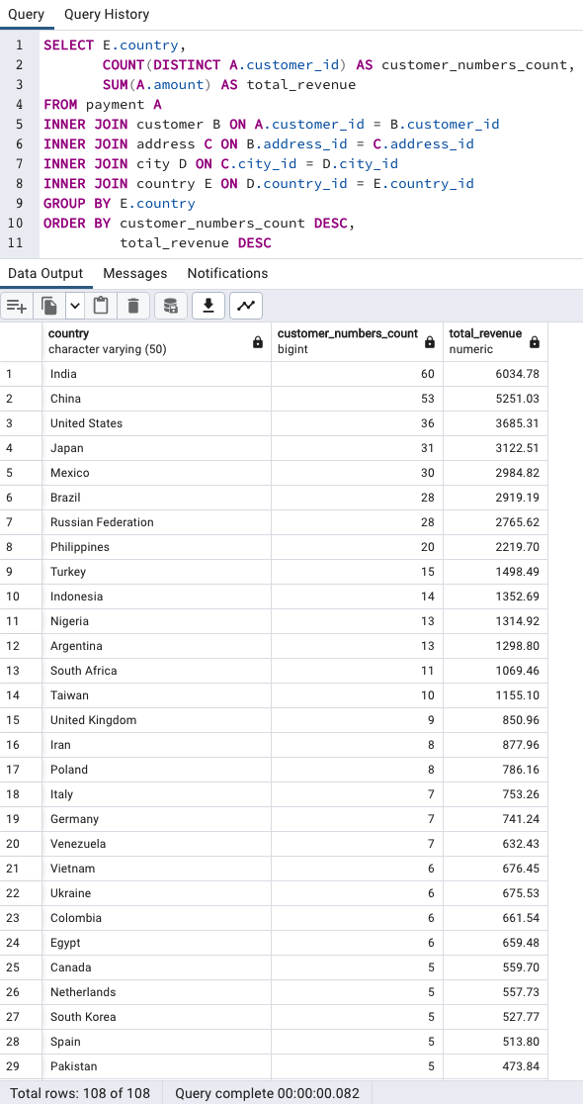
5. Do sales figures vary between geographic regions?

Total Revenue

